Gifts Mapping
Free Receive Transactions
1 | Read Free Receive transactions from SecurityTransaction & SecurityTransactionExt table with 'Method Tax Lot aquired' = "Gift"
2 | Combination of Customer Account Number, tax Principal, Customer Reference # + Date of Gift + Received From equals to one Gift record in Excelsior Gift table.
3 | If there are more than one transaction with above combination, multiple Gift Assets should be created with one Gift record.
 | Excelsior Field | Excelsior Table | Innotrust Field Label | Description | Innotrust Table | Innotrust Column
 | Funding Type | Gift | Tax Principal | Logic based on TAX code TaxCode IN (207, 208, 209, 213 (TBD), 214, 215) | SecurityTransaction | TaxCodePrincipal
 | Gift Date | Gift | Date of Gift | TBD for testementory gifts. Default to Gift date
 | Asset Type | Gift Asset |  | Security major Type Code | SecurityTransaction | SecurityTypeDesription?
 | Asset Description | Gift Asset |  | Concatenate Security major Type Code + Qty | SecurityTransaction | SecurityTypeDesription?
 |  |  | Shares | Concatenate Security major Type Code + Qty | SecurityTransaction | Shares
 | Market Value | Gift Asset | Gifted Property FMV | Transaction $ Amount | SecurityTransactionExt | GiftedPropertyFMV
 | Zero Cost per Client | Gift Asset | Gifted Donor's Cost Basis | Assign value True of Gifted Donor's Cost Basis >0
 | Aquisiotion Date | Gift Asset | Acquisition Date overrride | Acquisition Date overrride
 | Comments | Gift | Received From | Received From Contact Name (Deposit Info tab)
 | Cost Basis | Gift Asset | Local Amount | Local Amount (Cost Basis tab) | SecurityTransaction | LocalCostsBasis
 | - | - | Customer Ref | Gift Key | SecurityTransaction | CustomerReference
 | - | - | Trade Date |  | SecurityTransaction | TradeDate
 | - | - | Method TAX Lot Aquired
 | - | - | CUSIP |  | SecurityTransaction | Cusip
 | Gift | AccountID | Account # |  | SecurityTransaction | CustomerAccoutnNumber
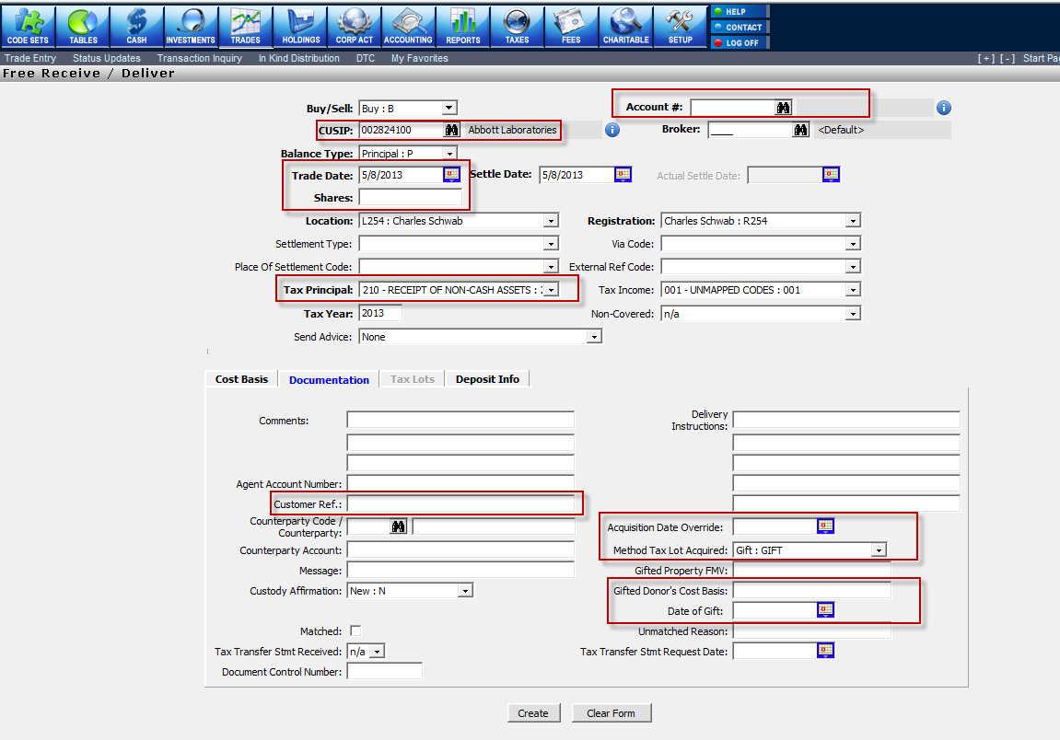

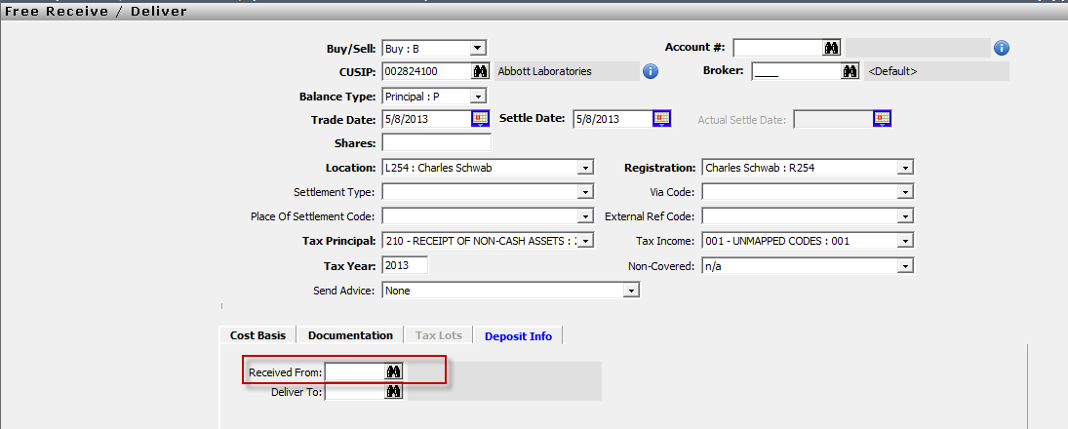

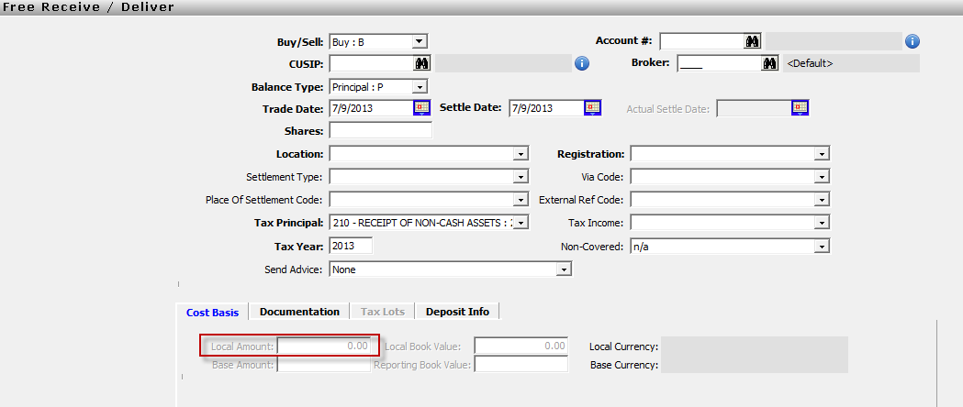

 | Query-
 | SELECT * FROM dbo.SecurityTransaction secTran
 | INNER JOIN SecurityTransactionExt secTranExt ON secTran.TransactionNumber = secTranExt.TransactionNumber
 | INNER JOIN dbo.MasterSecIndex mstIdx ON secTran.ISIN = mstIdx.ISIN
 | INNER JOIN dbo.SecurityCharacteristicsCodes secCodes ON mstIdx.SecurityTypeCode = secCodes.SecurityTypeCode
 | --WHERE 'Method Tax Lot acquired' = "Gift"
 | --AND TaxCodePrincipal IN (207, 208, 209, 213, 214, 215)
Cash Entry
1 | Read Cash Entry transactions from CashTransaction & CashTransactionExt table with TaxCode IN (207, 208, 209, 213 (TBD), 214, 215)
2 | Combination of Customer Account Number, Tax Code Customer Reference #, Trade Date and Received From equals to one Gift record in Excelsior Gift table
3 | If there are more than one transaction with above combination, multiple Gift Assets should be created with one Gift record
4 | Default Asset Type = CASH for every record in GiftAsset.
 | Excelsior Field | Excelsior Table | Innotrust Field Label | Description | Innotrust Table | Innotrust Column
 | - | - | Transaction Code | Identifies the type of cash entry | CashTransaction | TransactionCode
 | AccountID | Gift | Account Number | Unique identifier for Client accounts | CashTransaction | CustomerAccountNumber
 | GiftDate | Gift | Trade Date | Date of gift from webform | CashTransaction | TradeDate
 | Market Value | GiftAsset | Amount | Amount of gift | CashTransaction | Amount
 | AssetType | GiftAsset |  | For excelsior mapping default it to CASH | - | -
 | FundingType | Gift | Tax Code | Code indicates how transaction should be handled for tax reporting purposes. For Excelsir derrive login based on TAX Code | CashTransaction | TaxCode
 | Giftdate | Gift | Date of Gift | Date gift was made by donor | CashTransactionExt | DateOfGift
 | - | - | Deposit Info |  | CashTransaction
 | Comments | Gift | Received From | Name of Donor | CashTransaction
 | - | - | Documentation |  | CashTransaction
 | - | - | Comments | Ability to had custom transaction detail | CashTransaction | CommentsLine1, CommentsLine2, CommentsLine3, CommentsLine4
 | - | - | Customer Reference | Giftkey | CashTransaction | CustomerReference
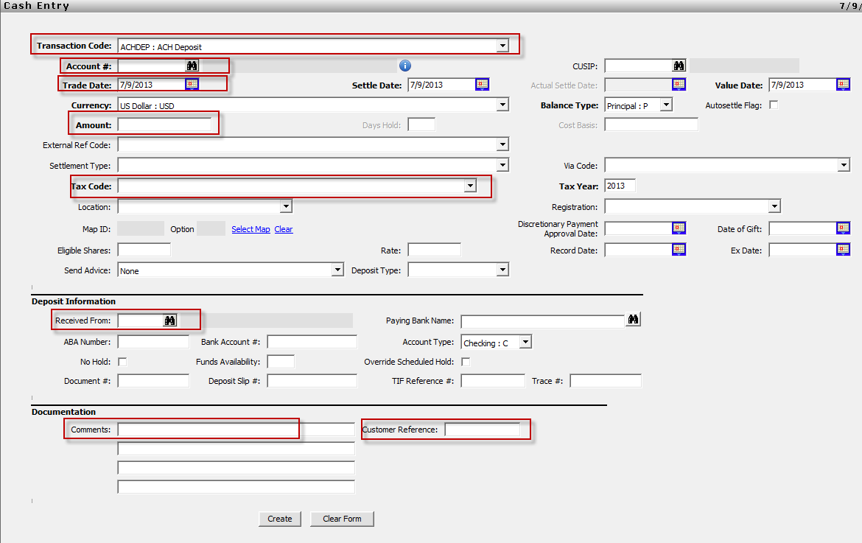

 | Query-
 | SELECT
 | cashTran.TransactionNumber
 | ,TransactionCode
 | ,CustomerAccountNumber
 | ,TradeDate
 | ,Amount
 | ,TaxCode
 | ,DateOfGift
 | --Deposit Info
 | --Received From
 | --Documentation
 | ,CommentsLine1
 | ,CommentsLine2
 | ,CommentsLine3
 | ,CommentsLine4
 | ,CommentsLine1
 | ,* FROM dbo.CashTransaction cashTran
 | INNER JOIN dbo.CashTransactionExt casTranExt ON cashTran.TransactionNumber = casTranExt.TransactionNumber

Operations Tab data Mapping
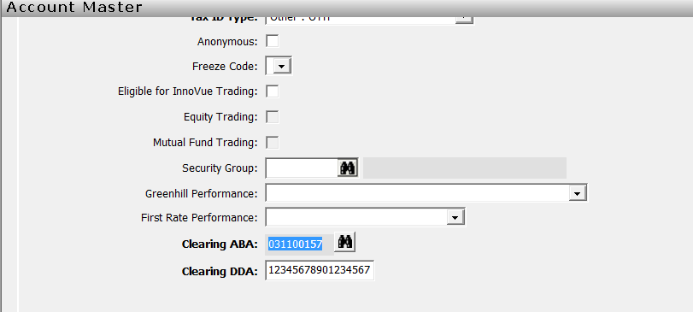

Get custodian name from Clearing ABA number

Payment Frequency Mapping
